SUMMARY
S-1
LEGEND |  | DOCUMENT INFO |  | EXCEL SHEETS | DESCRIPTION
 | SCRIPT NODE | PROCESS NAME | Samba Share | TO-BE FLOW | To-Be Automated process flow
 |  | SUB-PROCESS NAME | Samba Share Creation, Deletion, Modification | UI | UI form template
 |  | DESCRIPTION | Automating Samba Process | Variables | Variables of form, flow and scripts
UI-1
 | USER INTERFACE NODE | DOCUMENT VERSION | 1.0 | Validation | UI Input Validation
 | CREATE MANUALLY
Create samba
share

 | NEGATIVE OR FAILURE TRANSITION

 | POSITIVE OR SUCCESSFUL TRANSITION

Start
 | ENTRY POINT NODE

End
 | EXIT POINT NODE

 | PROCESS PATH

 | PROCESS NODE

 | INPUT NODE

 | CONDITION NODE

TO_BE_WORKFLOW
Roles

UI-IV
Create Samba manually in smb.conf
Start
UI-II
Create Samba manually in smb.conf file
UI-III
Create Samba manually in smb.conf
validation
validation
Gatherring the requried inputs

validation
Gatherring the requried inputs
validation
UI-I
Manual
Gatherring the requried inputs

Gatherring the requried inputs

No

No
Samba
Modified
if input = new or modify or delete
else = exit
if iticket = samba creation
if ticket = samba deletion
if ticcket = samba modification
No

Samba Created
Samba
Deleted

Create
Script Validation
Yes

Yes

Create
Samba
Delete
Samba
Yes

Exit
Modify
Samba

S-1
S-2

S-3
Samba Deletion
Script
Scripts
Samba Creation
Script
Samba Modify
Script
End

UI
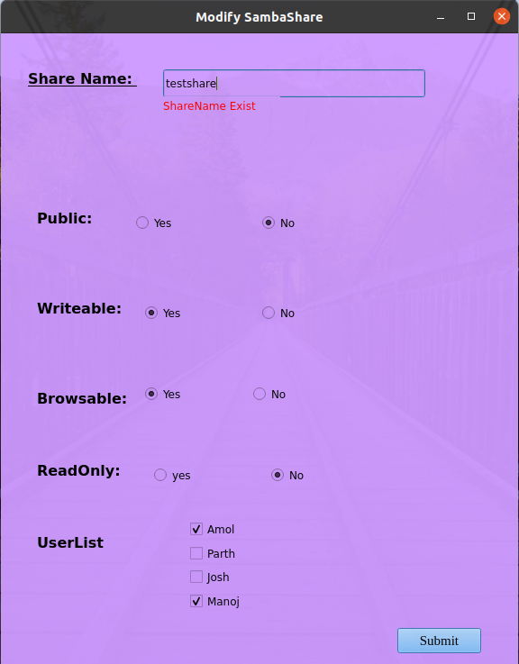
UI-1

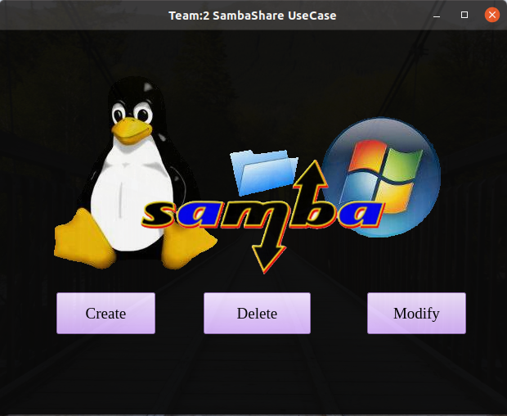

UI-2

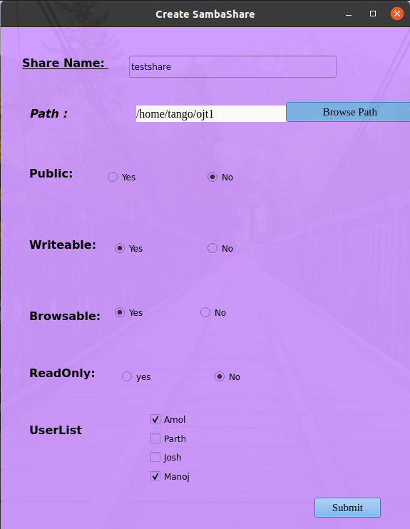

UI-3
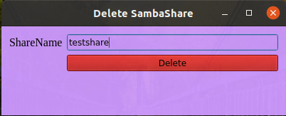

UI-4

